Hiearchy View
CLASS: CONDENSATE RETURN UNIT
automatic return of hot water condensation from radiators and heating coils and the delivery of those fluids to low and high pressure boilers. | 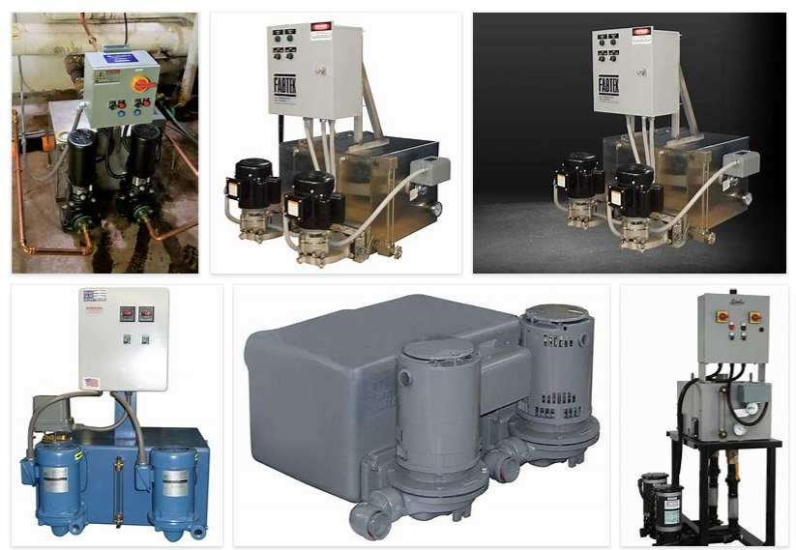
REMOVE | N

PROBLEM_DESC | CAUSE_DESC | REMEDY_DESC
ALARM/SENSOR
BROKEN/DAMAGED
LEAKING
NOISE
OTHER PROBLEM
OVERHEATING
PESTS
POWER-ELEC
PRESSURE
STOPPED/SLOWED/POOR OPS
TEMP-CTRL
VIBRATION
Grand Total

